Prototype 2 Reimbursement
SG Eco Loop
Prototype Expenses Claim Form

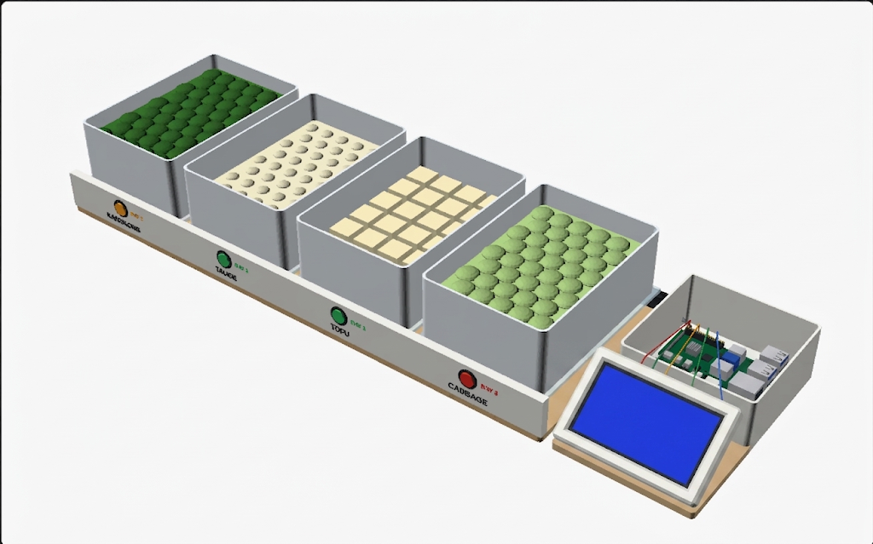
 | Team / Participant Name: | autobots
 | Prototype Description: Clear enough to relate to the expenses below | a cai png stall at the sutd canteen sells almost all of its cooked food but ends up throwing away a lot of raw vegetables. the stall owners buy stock early in the morning from memory and stack new deliveries straight on top of the old ones. this causes the older vegetables at the bottom to rot unseen. stock clock is a custom four slot shelf designed to fix this by quietly weighing each vegetable basin. when the weight goes up, the system knows a new delivery has arrived and records the date. when the weight goes down, it knows the vegetables are being used. each slot has a simple coloured light to show the age of the oldest stock in that basin. green means it is fresh, amber means it should be used today, and red means it needs to be used right now. there is also a small screen showing exactly what needs to be bought the next day. the whole process is automatic so nobody has to type or press anything. so all in all, this prototype is a hardware solution which acts like a smart weighing scale, to remind the stall owners that they have pending food left rather than just chucking everything in the fridge and then looking at inventory everyday. this smart scale will allow the owner to save time and money ; ultimately reducing food waste

 | Paynow Number: | 81842887
 | Paynow Full Name: | RAGHAV RAJESH
 | Important: Payment will be made to this participant over Paynow within 1-3 business days. Please ensure details are accurate. If transfer is made to the wrong account due to your typo. The organisers will not be responsible for any losses.
 | For us to process your claims / advance transfer request, you need to include in your email these required documents: Reimbursements: - Photos of physical receipts or - Digital copies of receipts / invoices Receipts (digital or clear photos) renamed in this format: [Date of purchase] YYYYMMDD - Merchant, Item Name(s) - S$XX.XX E.g. 20260710 - Popular, Assorted Stationery - $21.48 Advance Transfer Requests: Before purchase: Screenshots of prices / reasonable estimates After purchase: photos of physical receipts or digital copies of receipts / invoices within 3 business days of purchase If you are late to submit your proof of purchase, your participation at the Showcase may be affected.
 | WhatsApp Jamie at +65 9019 5694 if any questions to avoid not being able to claim

 | To be filled out by Team / Participant |  |  |  |  |  |  |  |  | To be filled out by SG Eco Loop
S/N | Cost Item | Provider / Shop Name | Item Description & Use | Date Purchased | Date Submitted | Date & Time of Email with Receipts | Amount (S$) | Expense Status | Remarks (if any) | Reimbursement Status | Date of Reimbursement / Advance Transfer | Remarks (if any)

1 | raspberry pi 5 2gb | cytron technologies | to act as a portable server for prototype | 14-Sep-26 | 14-Sep-26 | 14-Sep-26 | 98.00 | [Reimburse] Receipt Submitted |  | Checked | 15-Sep-26
2 | filament | polymate | to print chassis for rasp pi | 10-Sep-26 | 14-Sep-26 | 14-09-2026 6pm | 43.50 | [Reimburse] Receipt Submitted |  | Checked | 15-Sep-26
3
4
5
6
7
8
9
10
11
12
13
14
15
 | You can add more rows if needed
 |  |  |  |  |  | Total (S$) | 141.50
 |  |  |  |  |  | If total exceeds S$200, reimbursements are capped at S$200

